Sheet1
User story ID | Test case ID | Defect ID | Module | Summary | Description | Steps to reproduce | Attachment | Assigned to | Reporter | Severity | Priority | Environment | Defect status | Created On | Closed on
SWAG-3 | SWAG-10 | SWAG-27 | Login for standard user | In menu icon there is an extra entity which needs to be removed. | In home page of Swag labs click on menu icon and only All Items, About and Logout entities should present but there is one extra field called RESET APP STATE which needs to be removed. | 1. Navigate to Swag labs site using the URL: https://www.saucedemo.com/ 2. Login using standard user credentials. 3. In home page click on menu icon and only below entities should present, 1. All items 2. About 3. Logout | 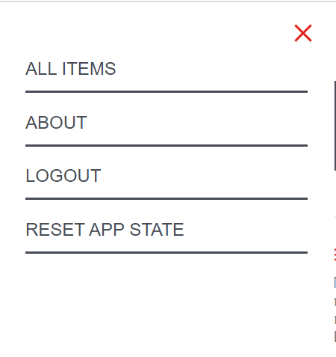 | Dev16 | Ashritha | High | High | UAT | OPEN | 2022-09-06
SWAG-3 | SWAG-10 | SWAG-28 | Login for standard user | Entities name should be in sentence case. | Inside menu icon entities are written in Upper case letters where it should be written in Sentence case. | 1. Navigate to Swag labs site using URL: https://www.saucedemo.com/ 2. Login using standard user credentials. 3. In home page click on menu icon and below entities should be present in Sentence case where it is written in Uppercase letter. 1. All Items 2. About 3. Logout |  | Dev16 | Ashritha | Low | Low | UAT | OPEN | 2022-09-06
SWAG-4 | SWAG-12 | SWAG-29 | Check filter field | Inside filter icon there is extra filters which needs to be removed. | Click on filter icon and only below entities should be present but there is 2 extra filters which needs to be removed. | 1. Navigate to Swag labs site using URL: https://www.saucedemo.com/ 2. Login using Standard user credentials. Given: Username= standard_user, Password= secret_sauce 3. Click on the filter icon and only below filters should present but there is extra filters which needs to be removed. a. Price (low to high) b. Price (high to low) | 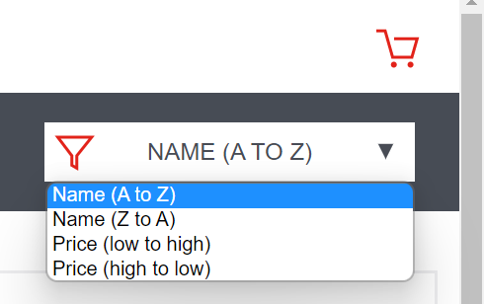 | Dev16 | Ashritha | High | High | UAT | OPEN | 2022-09-06
SWAG-6 | SWAG-16 | SWAG-30 | Cart Page and Check out page | Cart page header should be "Swaglabs cart". | In cart page header should be "Swaglabs cart" but it is showing that your cart which needs to be changed. | 1. Navigate to Swaglabs site using URL - https://www.saucedemo.com/ 2. Login using Standard user credentials. Given: Username= standard_user, Password= secret_sauce 3. In home page click on cart symbol and navigate to cart page, header should be "Swaglabs cart" where it is written as "your cart". |  | Dev16 | Ashritha | Low | Low | UAT | OPEN | 2022-09-06
SWAG-6 | SWAG-17 | SWAG-31 | Cart Page and Check out page | In cart page entity name should be Quantity but there is QTY in this page. | Inside cart page entity name should be Quantity but there is QTY in this page which needs to be changed. | 1. Navigate to Swaglabs site using URL: https://www.saucedemo.com/ 2. Login using standard user credentials. Given: Username= standard_user, Password= secret_sauce 3. Navigate to cart page by clicking cart symbol in home page of swaglabs site. 4. Inside that page entity name should be Quantity but there is QTY which needs to be changed. |  | Dev16 | Ashritha | Low | Low | UAT | OPEN | 2022-09-06
SWAG-6 | SWAG-17 | SWAG-32 | Cart Page and Check out page | In Continue shopping button there is an extra triangle shape which needs to be removed. | In Continue shopping button there is an extra triangle shape which needs to be removed. | 1. Navigate to Swag labs site using the URL: https://www.saucedemo.com/ 2. Login using standard user credentials. Given: Username= standard_user, Password= secret_sauce 3. In home page click on cart symbol and navigate to cart page. 4. In continue shopping button triangle symbol is there which needs to be removed. |  | Dev16 | Ashritha | Low | Low | UAT | OPEN | 2022-09-06
SWAG-6 | SWAG-23 | SWAG-33 | Cart Page and Check out page | If ZIP/Postal code field is having digits less or greater than 6 the user not able to navigate to next page. | In checkout page, if ZIP/Postal code field is having digits less or greater than 6 the user not able to navigate to next page but in this able to navigate to next page. | 1. Navigate to Swaglabs site using URL: https://www.saucedemo.com/ 2. Login using standard user credentials. Given: Username= standard_user, Password= secret_sauce 3. Click on cart symbol and then click on CHECKOUT button. 4. Fill First name and last name and ZIP/Postal code. 5. If ZIP/Postal code field is having digits less or greater than 6 the user not able to navigate to next page but in this able to navigate to next page. | 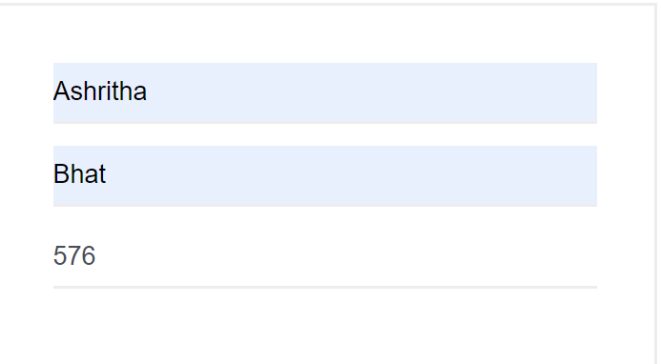 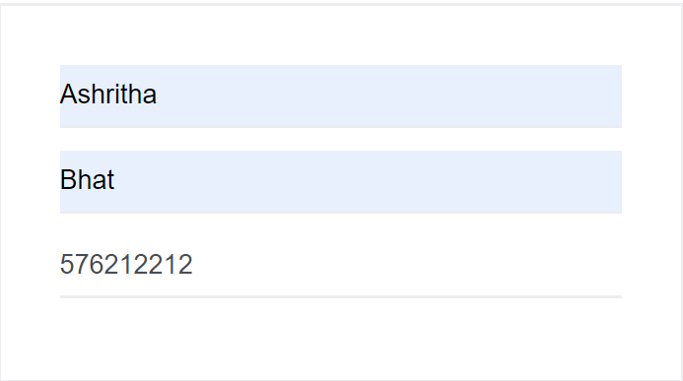 | Dev16 | Ashritha | High | High | UAT | OPEN | 2022-09-06
SWAG-6 | SWAG-24 | SWAG-34 | Cart Page and Check out page | If ZIP/Postal code field has characters other than digits then user should be able to navigate to next page. | If ZIP/Postal code field has characters other than digits then user should be able to navigate to next page but in this able to navigate to next page. | 1. Navigate to Swag labs site using URL: https://www.saucedemo.com/ 2. Login using standard user credentials. Given: Username= standard_user, Password= secret_sauce 3. Click on cart symbol then click on CHECKOUT button. 4. Fill first name, last name and ZIP/Postal code field. 5. If ZIP/Postal code field has characters other than digits then user should be able to navigate to next page but in this able to navigate to next page. | 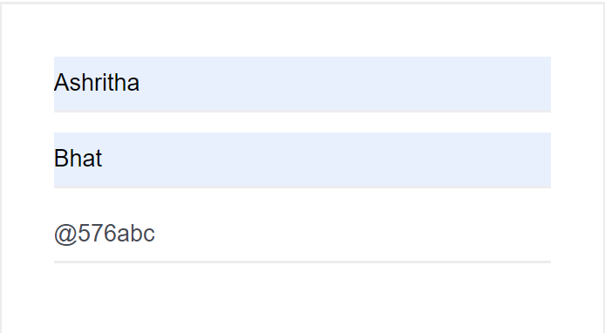 | Dev16 | Ashritha | High | High | UAT | OPEN | 2022-09-06
SWAG-6 | SWAG-26 | SWAG-35 | Cart Page and Check out page | By leaving Last name field as empty user should be able to navigate to next page. | In checkout page, by leaving Last name field as empty user should be able to navigate to next page but in this it is not able to navigate. | 1. Navigate to Swaglabs site using URL: https://www.saucedemo.com/ 2. Login using standard user credentials. Given: Username= standard_user, Password= secret_sauce 3. Click on cart symbol and then click on CHECKOUT page. 4. Fill First name field and ZIP/Postal code field then leave last name field as empty then user should be able to navigate to next page but in this it is not able to navigate next page. | 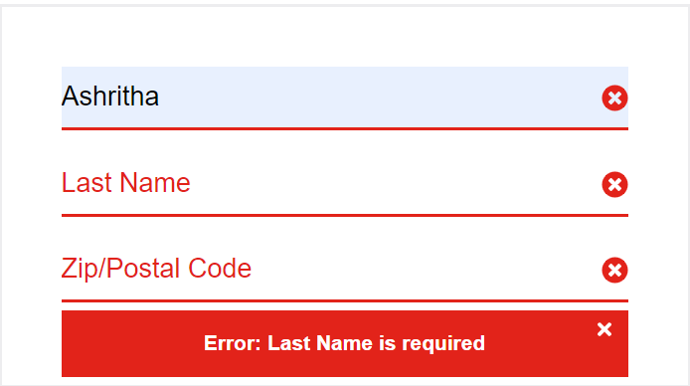 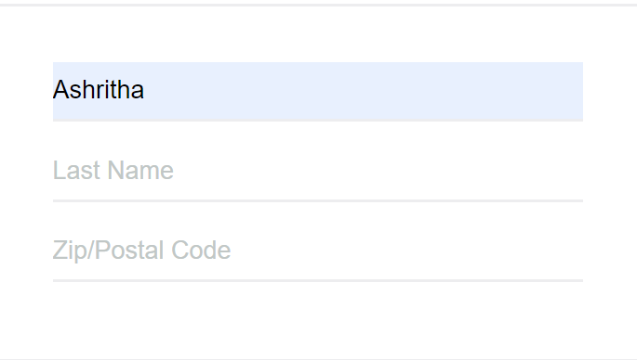 | Dev16 | Ashritha | High | Medium | UAT | OPEN | 2022-09-06

